
 |  |  |  | CODE: |  |  | PL1268 aa SN from 98L000
DESCRIPTION: |  | ELECTRIC UNIT 2 |  | ELEKTRISCHE GRUPPE 2 | GROUPE ELECTRIQUE 2 | GRUPO ELÉCTRICO 2 | PARTI ELETTRICHE 2
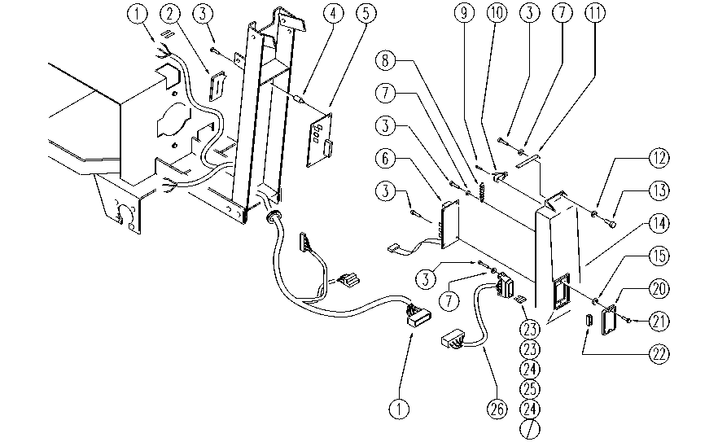

REF. | CODE | DESCRIPTION | QT
1 | GR23945-J | WIRING | 1
2 | SL03210 | GASKET | 1
3 | SL04176 | SCREW | 12
4 | SL14229 | SPACER | 4
5 | E86642 | Pump Card | 1
6 | E86639 | Traction Card | 1
7 | E88229 | Washer | 4
8 | E86512 | Spring | 1
9 | SL04178 | SCREW | 2
10 | E86422 | Micro Switch | 1
11 | E89214 | Foil / Lamina | 1
12 | SL06016 | WASHER | 2
13 | SL04148 | SCREW | 2
14 | SL17166 | COVER | 1
15 | E87876 | Gasket | 2
20 | E86543 | Fuse Cover for AS20 | 1
21 | E86426 | Screw for AS20 | 2
22 | SL23209 | FUSE TONGUE | 1
23 | E86647 | Fuse 40A | 2
24 | E86825 | Fuse 5 amp | 2
25 | E86827 | Fuse 25 amp | 1
26 | E89468 | Fuse Carrier | 1

